Transcript Instructions
Unofficial transcripts can be found in your MyOSU account by navigating to the "Student" tab and selecting "My Transcripts" from the "My Student Stuff" group. A sample transcript is show below. Transcripts use the language "hours" to describe the number of credit hours of courses.

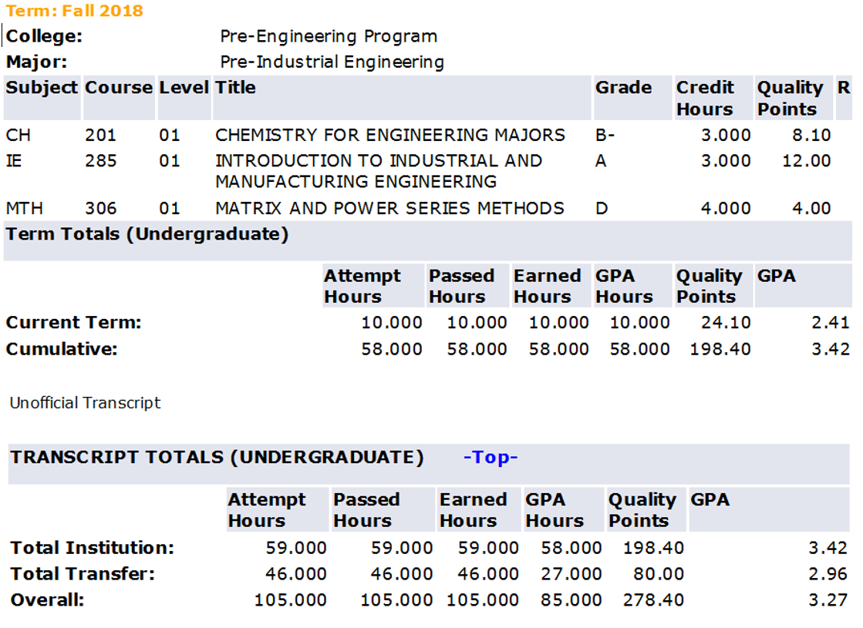
This row lists your Term Attempted Credit Hours, Earned Credit Hours, & GPA
This section, near the bottom of your transcript, lists your Cumulative Institution (OSU) numbers.

